Dashboard Data
Tested On 13-07-23
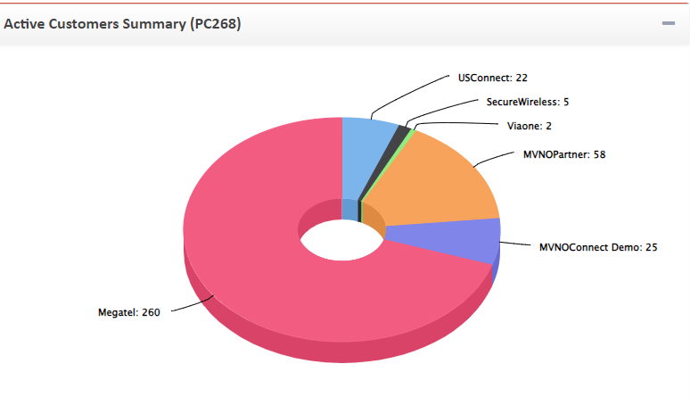
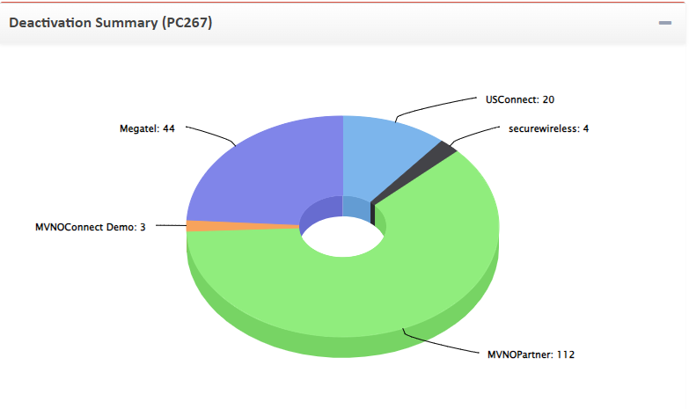

 | Active Subscriber
Partner | On Portal (Subscriber) | On Dashboard | In 185 DB OCS | In 54 DB Middle | Partner | On Portal (Subscriber) | On Dashboard | In 185 DB OCS | In 54 DB Middle
Megatel | 261 | 260 | 260 | 261 | Megatel | 23 | 44 | 44 | 23
USConncet | 22 | 22 | 22 | 22 | USConncet | 9 | 20 | 20 | 9
Securewireless | 5(4 Active +1 Hotline) | 5 | 5 | 5 | Securewireless | 2 | 4 | 4 | 2
Viaone | 2 | 2 | 2 | 2 | Viaone | 0 | 0 | 0 | 0
MVNOPartner | 22 | 58 | 58 | 22 | MVNOPartner | 46 | 112 | 112 | 46
AshleyTest | 24(23Active +1Hotline) | 25 | 25 | 24 | AshleyTest | 6 | 3 | 3 | 6

AshleyTest | 4045782582 This number last action showing on middle (54)Db deactivate subscriber and OCS Db shwoing Active Status
Megatel | 9148045211 this mdn on Portal showing last action is Activatesubscriber but on OCS showing Deactivate Account Status

Inventory Report


Assigned Stock Report(PC50)
Partner Name | Stock Showing on Portal | 54 Middle DB
MVNOConnect Demo | 35 | 32
Megatel | 26090 | 26091
MVNOPartner | 62 | 51
Securewireless | 79 | 79
Usconnect | 2038 | 2039
Viaone | 11 | 11

